INTRO

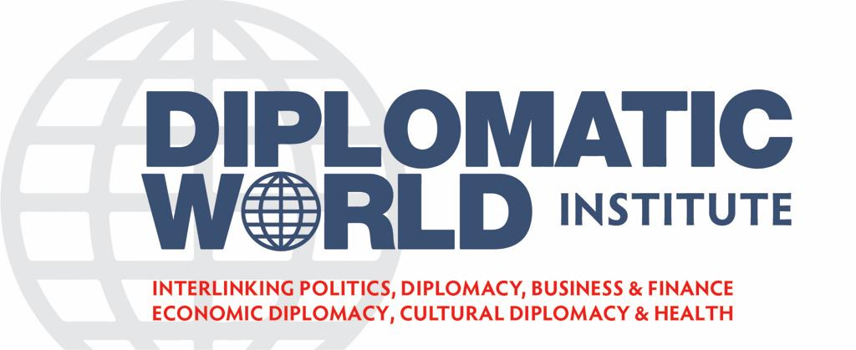



FINANCIAL PLAN

DW MEDIA VERSION 3.7
 | APRIL_2022

